railway bridges
No. | Line Name | Bridge Name | Latitude(N) | Longitude(E) | Rrup(km) | Re(km) | Station Name | R_station(km) | Intensity | Vs30(m/s) | No. of Spans | Avg. Span Length (m) | Bridge Length(m) | Bridge Width(m) | Completed Year | Foundation | Substructure | Girder Material
43 | Yangon-Mandalay Line | Hmone Na Kone Railway Bridge 527W | 20.552 | 96.067 | 0.13 | 161 | NPW | 85.56 | 8 | 235 | 4 | 12.19 | 48.77 | 2 | After 2000 |  | Brick Pier | PC Girder |  |  | 4*12.19=48.77
44 | Yangon-Mandalay Line | Hmone Na Kone Railway Bridge 527E | 20.552 | 96.067 | 0.13 | 161 | NPW | 85.56 | 8 | 235 | 8 | 6.1 | 48.77 | 2 | Before 2000 | Caisson | Brick Pier | Steel PL Girder | Parallel to the front |  | 8*6.1=48.77
 | Myingyan Line | Tada U Railway Bridge | 21.801 | 95.986 | 0.15 | 23 | NGU | 128.61 | 8 |  | 4 | 13.3 | 53.2 | 2.5 |  |  |  | Steel
 | Yangon-Mandalay Line | 519 Railway Bridge W | 20.549 | 96.068 | 0.22 | 161.76 | NPW | 85.79 | 8 |  | 3 | 11.38 | 34.14 | 3 | Before 2000 | Caisson | Brick Pier | Steel PL Girder |  |  | 10.36+13.42+10.36=34.14
 | Yangon-Mandalay Line | 519 Railway Bridge E | 20.549 | 96.068 | 0.22 | 161.76 | NPW | 85.79 | 8 |  | 3 | 11.38 | 34.14 | 3 | After 2000 |  | Brick Pier | PC Girder | Parallel to the front |  | 10.36+13.42+10.36=34.14
 | Yangon-Mandalay Line | 581 Railway Bridge W | 20.770 | 96.052 | 0.63 | 136.9 | NPW | 110.08 | 8 |  | 2 | 17.45 | 34.9 | 3 | After 2000 |  |  | PC Girder |  |  | 2*17.45=34.9
 | Yangon-Mandalay Line | 581 Railway Bridge E | 20.770 | 96.052 | 0.63 | 136.9 | NPW | 110.08 | 8 |  | 3 | 12.19 | 36.58 | 3 | Before 2000 | Caisson | Brick Pier | Steel PL Girder | Parallel to the front |  | 3*12.19=36.58
65 | Mandalay-Mytkyina Line | AVA Railway Bridge | 21.871 | 95.992 | 0.64 | 15.9 | NGU | 133.2 | 9 | 258 | 10 | 112 | 1207 | 7 | 1934 | Caisson | Brick Pier | Steel Truss | 6 spans out of 10 truss spans suffered beam fall-off | built in 1934 | 9*112m+80m_Truss+6*20m_Steel=1207m | D落梁
45 | Yangon-Mandalay Line | Nyaungyan Railway Bridge1 574W | 20.744 | 96.055 | 0.68 | 139.7 | NPW | 107 | 8 | 230 | 6 | 10.16 | 60.96 | 3 | After 2000 |  | Brick Pier | RC+PC+RC |  |  | 6.096RC+4*12.192PC+6.096RC=60.96
 | Yangon-Mandalay Line | Nyaungyan Railway Bridge1 574E | 20.744 | 96.055 | 0.68 | 139.7 | NPW | 107 | 8 | 230 | 6 | 10.16 | 60.96 | 3 | Before 2000 | Caisson | Brick Pier | Steel PL Girder | Parallel to the front | Brick abutment cracked | 2*6.096+4*12.192=60.96
63 | Myingyan Line | Samon River Railway Bridge | 21.805 | 95.980 | 0.8 | 22.47 | NGU | 128.35 | 9 | 239 | 7 | 20 | 140 | 2 |  |  |  | Steel |  |  | 7*20=140
 | Yangon-Mandalay Line | 585 Railway Bridge W | 20.788 | 96.053 | 0.89 | 134.99 | NPW | 112.08 | 8 |  | 2 | 15.24 | 30.48 | 3 | After 2000 |  |  | PC Girder |  |  | 2*15.24=30.48
 | Yangon-Mandalay Line | 585 Railway Bridge E | 20.788 | 96.053 | 0.89 | 134.99 | NPW | 112.08 | 8 |  | 5 | 6.096 | 30.48 | 3 | Before 2000 | Caisson | Brick Pier | Steel PL Girder | Parallel to the front |  | 5*6.096=30.48
46 | Yangon-Mandalay Line | Nyaungyan Railway Bridge2 586 W | 20.791 | 96.053 | 0.96 | 134.73 | NPW | 112.24 | 8 | 226 | 6 | 6.1 | 36.58 | 3.5 | After 2000 |  | RC Pier | RC Girder |  | Ballast seeped out from gaps between girders | 6*6.1=36.58
 | Yangon-Mandalay Line | Nyaungyan Railway Bridge2 586 E | 20.791 | 96.053 | 0.96 | 134.73 | NPW | 112.24 | 8 | 226 | 6 | 6.1 | 36.58 | 3 | Before 2000 | Caisson | Brick Pier | Steel PL Girder | Parallel to the front |  | 6*6.1=36.58
47 | Yangon-Mandalay Line | Inn Win Railway Bridge 588 E | 20.808 | 96.055 | 1.28 | 132.74 | NPW | 113.55 | 8 | 220 | 3 | 12.19 | 36.58 | 3.5 | After 2000 |  |  | PC Girder |  |  | 3*12.19=36.58
 | Yangon-Mandalay Line | Inn Win Railway Bridge 588 W | 20.808 | 96.055 | 1.28 | 132.74 | NPW | 113.55 | 8 | 220 | 4 | 12.19 | 48.77 | 3 | Before 2000 | Caisson | Brick Pier | Steel PL Girder | Parallel to the front |  | 4*12.19=48.77
38 | Yangon-Mandalay Line | Ngalait River Railway Bridge 393W | 19.745 | 96.203 | 3.65 | 251.48 | NPW | 7.93 | 8 | 263 | 5 | 23.164 | 115.82 | 5 | Before 2000 | Caisson | Brick Pier | Steel Truss Girder | Pier No.5 cracked, main girder displaced transversely | Girder displacement aligns with the predominant direction of input seismic energy | 12.19+3*30.48+12.19=115.82 | C桥墩破坏
39 | Yangon-Mandalay Line | Ngalait River Railway Bridge 393E | 19.745 | 96.203 | 3.65 | 251.48 | NPW | 7.93 | 8 | 263 | 6 | 21.03 | 126.19 | 5 | After 2000 |  | RC Pier | PC Girder | Parallel to the front | Missing bearings and sliding subgrade materials | 8.61+4*25.91+13.94=126.19 |  | 414 | 126.1872
35 | Yangon-Mandalay Line | 329 Railway Bridge | 19.411 | 96.265 | 4.35 | 288.92 | NPW | 42.8 | 8 | 257 | 1 | 18.29 | 18.29 | 2*5 | Before 2000 | Caisson | Brick Pier | Steel Through PL Girder | Foundation settlement of west approach road | Settlement at northwest corner consistent with predominant duration direction |  | B
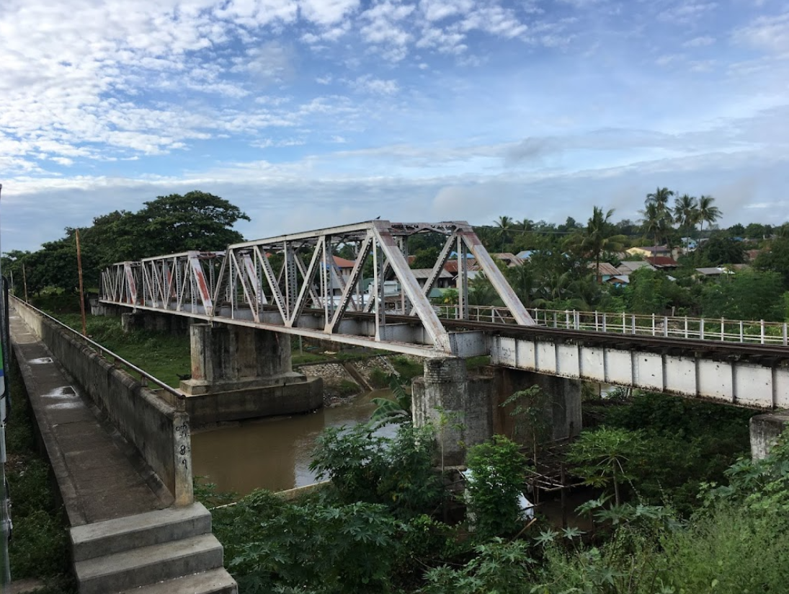
36 | Yangon-Mandalay Line | 351 Railway Bridge | 19.532 | 96.247 | 4.55 | 275.34 | NPW | 29.6 | 8 | 235 | 3 | 18.29 | 54.86 | 2*5 | Before 2000 | Caisson | Brick Pier | Steel Through PL Girder | Steel girders on Yangon side downstream offset 10 cm, causing rear stop blocks cracking | Main girder displacement direction conforms to predominant direction of displacement-related intensity measure | 12.19+30.48+12.19=54.86 | C
12 | Yangon-Mandalay Line | Payagyi Railway Bridge | 17.471 | 96.519 | 4.7 | 505.29 | YGN | 77.53 | 5 | 224 | 3 | 18 | 54 | 2*2.6 | Before 2000 | Caisson | Brick Pier | Steel
34 | Yangon-Mandalay Line | Ta Dar Gyi Bridge 306 | 19.251 | 96.295 | 4.7 | 306.92 | NPW | 61.06 | 7 | 214 | 4 | 28 | 106.07 | 2*6 | Before 2000 | Caisson | Brick Pier | Steel Truss Girder | East: 12.19m steel beam + 45.72m truss + 17.68m minor truss + 30.48m truss = 106.07m | West: 17.68m minor truss + 30.48m truss + 45.72m truss + 12.19m steel beam = 106.07m | Concrete filled inside members | 30.48+17.68+45.72+12.19 | 348 | 106.0704
66 | Kalaw-Thazi Line | Thazi Railway Bridge | 20.831 | 96.086 | 4.75 | 130.64 | NGU | 128.32 | 7 | 219 | 6 | 11.3 | 68 | 1.8 |  |  |  | Steel |  |  | 6*11.3=68
33 | Yangon-Mandalay Line | 305 Railway Bridge | 19.242 | 96.298 | 4.96 | 307.98 | NPW | 62.05 | 7 | 217 | 1 | 20 | 20 | 10 |  |  |  | RC | Bridge head settlement | Bridge alignment consistent with predominant duration direction |  | B
37 | Yangon-Mandalay Line | Ela Bridge 373 | 19.627 | 96.237 | 5.4 | 264.76 | NPW | 19.81 | 8 | 220 | 3 | 25.4 | 76.2 | 2*5 |  |  | RC Pier | Steel Truss Girder | Upstream distortion of truss structures | Bearings displaced and fractured transversely, matching predominant duration direction | 17.68+45.72+12.19=76.2 | C | Structural differences exist between two trusses; cross beams deformed
29 | Yangon-Mandalay Line | Phyu Creek Railway Bridge | 18.494 | 96.437 | 5.5 | 391.77 | NPW | 146.03 | 6 | 246 | 4 | 25 | 100 | 5+10+5 |  |  |  | RC | Three-span trusses on both sides, four-span girder bridge in the middle
14 | Yangon-Mandalay Line | Pyin Ma Lwin Railway Bridge | 17.703 | 96.607 | 6.5 | 481.21 | YGN | 104.41 | 5 | 212 | 3 | 13.33 | 40 | 2*2.6 | Before 2000 | Caisson | Brick Pier | Steel
49 | Yangon-Mandalay Line | TaDarNe Bridge 683W | 21.197 | 96.080 | 6.72 | 90.49 | NGU | 120.66 | 7 | 242 | 4 | 17.525 | 70.1 | 3 | After 2000 |  |  | PC Girder | Ground cracking near access of Bridge 683 |  | 4*17.525=70.1 | B
50 | Yangon-Mandalay Line | TaDarNe Bridge 683E | 21.197 | 96.080 | 6.72 | 90.49 | NGU | 120.66 | 7 | 242 | 3 | 23.37 | 70.1 | 5 | Before 2000 | Caisson | Brick Pier | Steel Truss Girder | 12.192m steel beam + 45.72m truss + 12.192m steel beam | Bullet holes found on truss girders | 2*12.192+45.72=70.1
51 | Yangon-Mandalay Line | Samon Railway Bridge 684W | 21.206 | 96.084 | 7.19 | 89.35 | NGU | 120.75 | 7 | 212 | 4 | 12.19 | 48.77 | 3 | After 2000 |  |  | PC Girder |  |  | 4*12.19=48.77
52 | Yangon-Mandalay Line | Samon Railway Bridge 684E | 21.206 | 96.084 | 7.19 | 89.35 | NGU | 120.75 | 7 | 212 | 4 | 12.19 | 48.77 | 1.7 | Before 2000 | Caisson | Brick Pier | Steel PL Girder | Parallel to the front structure |  | 4*12.19=48.77
42 | Yangon-Mandalay Line | 472 Railway Bridge | 20.201 | 96.181 | 7.36 | 200.91 | NPW | 46.8 | 7 | 275 | 1 | 4.5 | 4.5 | 2.6 |  |  |  | RC | Ground cracking and lateral spreading at bridge approach | Liquefied site | 1*4.5=4.5 | B
 | Yangon-Mandalay Line | Myitnge Railway Bridge826 W | 21.842 | 96.067 | 8.2 | 22.98 | NGU | 138.16 | 8 | 254 | 6 | 34.54 | 207.26 | 6 | Before 2000 | Caisson | Brick Pier | Steel Truss Girder |  |  | 4*45.72+2*12.19=207.26 |  |  |  | 348
61 | Yangon-Mandalay Line | Myitnge Railway Bridge826 E | 21.842 | 96.067 | 8.2 | 22.98 | NGU | 138.16 | 8 | 254 | 6 | 34.54 | 207.26 | 6 | After 2000 |  |  | Steel Box Girder |  |  | 4*45.72+2*12.19=207.26
15 | Yangon-Mandalay Line | Pauk Ta Pin Railway Bridge | 17.723 | 96.618 | 8.4 | 479.16 | YGN | 107.02 | 5 | 193 | 3 | 20 | 60 | 10 | Before 2000 | Caisson | Brick Pier | Steel
53 | Yangon-Mandalay Line | 691 Railway Bridge W | 21.239 | 96.097 | 8.7 | 86.04 | NGU | 122.11 | 7 | 207 | 6 | 17.527 | 105.16 | 5 | After 2000 | RC Pile | RC Pier | PC Girder | Retaining wall damaged on Yangon side | Transverse direction aligns with predominant acceleration direction | 6*17.527=105.16 | B
 | Yangon-Mandalay Line | 691 Railway Bridge E | 21.239 | 96.097 | 8.7 | 86.04 | NGU | 122.11 | 7 | 207 | 7 | 12.19 | 85.34 | 3 | Before 2000 | Caisson | Brick Pier | Steel PL Girder |  | Foundation scouring | 7*12.19=85.34
13 | Yangon-Mandalay Line | Ballni Creek Railway Bridge | 17.693 | 96.602 | 8.8 | 482.22 | YGN | 103.34 | 5 | 206 | 3 | 20 | 60 | 2*5 | Before 2000 | Caisson | Brick Pier | Steel
28 | Yangon-Mandalay Line | Ka Nyut Kwin Railway Bridge | 18.311 | 96.508 | 9.4 | 412.92 | YGN | 164.44 | 5 | 209 | 3 | 25 | 75 | 12 |  |  |  | RC
40 | Yangon-Mandalay Line | SinThe Railway Bridge 453W | 20.093 | 96.218 | 9.5 | 213.11 | NPW | 35.7 | 7 | 229 | 4 | 30.455 | 121.82 | 5 | Before 2000 | Caisson | Brick Pier | Steel Truss Girder | Truss |  | 4*30.455=121.82 |  | Corroded cross beams
41 | Yangon-Mandalay Line | SinThe Railway Bridge 453E | 20.093 | 96.218 | 9.5 | 213.11 | NPW | 35.7 | 7 | 229 | 6 | 17.53 | 105.16 | 5 | After 2000 |  | RC Pier | PC Girder | Girder bridge, parallel to the former | Missing bearings | 6*17.53=105.16
62 | Yangon-Mandalay Line | Ta Gun Daing Railway Bridge830 | 21.898 | 96.078 | 9.67 | 19.62 | NGU | 142.27 | 8 | 234 | 8 | 12.19 | 97.54 | 2.5 | After 2000 |  |  | PC Girder |  |  | 8*12.19=97.54
27 | Yangon-Mandalay Line | BR-183 | 18.304 | 96.513 | 9.72 | 413.87 | YGN | 163.68 | 5 | 207 | 2 | 27 | 54 | 12 |  |  |  | RC
11 | Yangon-Mandalay Line | Shwe Hlay Bridge | 17.384 | 96.480 | 9.8 | 514.34 | YGN | 67 | 5 | 200 | 3 | 32.64 | 97.92 | 5+10+10 |  |  |  | SteelT+RC+SteelT | Two-span trusses on both sides, five-span girder bridge in the middle
16 | Yangon-Mandalay Line | Kawliya Creek Bridge1 | 17.753 | 96.642 | 10.82 | 476.11 | YGN | 111.02 | 5 | 206 | 3 | 13.33 | 40 | 2*2.6 | Before 2000 | Caisson | Brick Pier | Steel
10 | Yangon-Mandalay Line | Bago Bridge | 17.315 | 96.479 | 12 | 522 | YGN | 60.34 | 5 | 225 | 4 | 15 | 60 | 10 |  |  |  | RC
56 | Yangon-Mandalay Line | Panlaung Railway Bridge 719W | 21.423 | 96.123 | 12.53 | 67.48 | NGU | 127.29 | 7 | 215 | 2 | 45.72 | 91.44 | 5 |  | RC Pile | RC Pier | Steel Truss Girder | Truss | Subgrade material sliding | 2*45.72=91.44
57 | Yangon-Mandalay Line | Panlaung Railway Bridge 719E | 21.423 | 96.123 | 12.53 | 67.48 | NGU | 128.29 | 7 | 215 | 4 | 24 | 95.1 | 5 | After 2000 | RC Pile | RC Pier | PC Girder | Parallel to the former |  | 3*25.908+17.3736=95.1
54 | Yangon-Mandalay Line | Tha Lun Railway Bridge 699W | 21.335 | 96.131 | 12.83 | 76.86 | NGU | 126.67 | 7 | 195 | 3 | 17.527 | 52.58 | 3 | After 2000 |  | Brick Pier | PC Girder |  | Anti-scour treatment | 3*17.527=52.58
55 | Yangon-Mandalay Line | Tha Lun Railway Bridge 699E | 21.335 | 96.131 | 12.83 | 76.86 | NGU | 126.67 | 7 | 195 | 5 | 12.192 | 60.96 | 2 | Before 2000 | Caisson | Brick Pier | Steel PL Girder |  |  | 5*12.192=60.96
17 | Yangon-Mandalay Line | Kawliya Creek Bridge2 | 17.787 | 96.664 | 13 | 472.96 | YGN | 115.39 | 5 | 224 | 3 | 22.82 | 68.46 | 10 |  |  |  | RC
31 | Yangon-Mandalay Line | Pyay Nyein Girder Bridge | 18.912 | 96.432 | 13.42 | 346.03 | NPW | 100.79 | 6 | 209 | 6 | 26 | 156 | 5 |  |  |  | RC | Parallel to the former
30 | Yangon-Mandalay Line | Pyay Nyein Frame Bridge | 18.912 | 96.432 | 13.42 | 346.03 | NPW | 100.79 | 6 | 209 | 6 | 32 | 192 | 5 | Before 2000 | Caisson | Brick Pier | Steel Truss | Truss
59 | Yangon-Mandalay Line | 739 Railway Bridge | 21.559 | 96.135 | 13.72 | 62.26 | NGU | 129.28 | 7 | 214 | 5 | 6.096 | 30.48 | 3 |  |  | Brick Pier | Steel W+RC E | Track bending, bearing displacement and abutment cracking |  | 5*6.096=30.48 | C桥台破坏 | Temporary supports deployed during floods
26 | Yangon-Mandalay Line | Pe Nwe Kone Bridge | 18.221 | 96.568 | 13.75 | 423.86 | YGN | 156.41 | 5 | 224 | 3 | 20 | 60 | 2*5 | Before 2000 | Caisson | Brick Pier | Steel
9 | Yangon-Mandalay Line | Tawa Bridge | 17.221 | 96.480 | 13.76 | 532.37 | YGN | 52.68 | 5 | 196 | 4 | 15 | 60 | 10 |  |  |  | RC
58 | Yangon-Mandalay Line | 730 Railway Bridge W | 21.499 | 96.131 | 14.08 | 59.38 | NGU | 129.44 | 7 | 218 | 1 | 30.48 | 30.48 | 3 | Before 2000 | Caisson | Brick Pier | Steel Truss Girder | Track deflection and ground cracking on approach road |  | 1*30.48=30.48 | B | Corroded cross beams
 | Yangon-Mandalay Line | 730 Railway Bridge E | 21.499 | 96.131 | 14.08 | 59.38 | NGU | 129.44 | 7 | 218 | 3 | 8.127 | 24.38 | 3 | After 2000 |  | Brick Pier | RC+PC+RC |  |  | 6.096+12.192+6.096=24.38
32 | Yangon-Mandalay Line | Taungoo Bridge | 18.953 | 96.440 | 14.6 | 341.78 | NPW | 97.09 | 6 | 255 | 3 | 13.33 | 40 | 2.5 |  |  |  | RC
60 | Yangon-Mandalay Line | Kyaukse Railway Bridge748W | 21.600 | 96.137 | 15.37 | 49.51 | NGU | 133.66 | 7 | 371 | 4 | 17.525 | 70.1 | 5 | After 2000 |  |  | PC Girder |  |  | 4*17.525=70.1
 | Yangon-Mandalay Line | Kyaukse Railway Bridge748E | 21.600 | 96.137 | 15.37 | 49.51 | NGU | 133.66 | 7 | 371 | 3 | 23.36 | 70.1 | 2 | Before 2000 | Caisson | Brick Pier | Steel Truss Girder | Parallel to the former |  | 2*12.19+45.72=70.1
18 | Yangon-Mandalay Line | Dayelme Creek Bridge | 17.801 | 96.670 | 16.08 | 471.44 | YGN | 117.08 | 5 | 226 | 3 | 13.33 | 40 | 10 | Before 2000 | Caisson | Brick Pier | Steel
19 | Yangon-Mandalay Line | Baing Da Bridge | 17.832 | 96.684 | 16.76 | 468.3 | YGN | 120.8 | 5 | 202 | 3 | 29.5 | 88.6 | 10 |  |  |  | RC
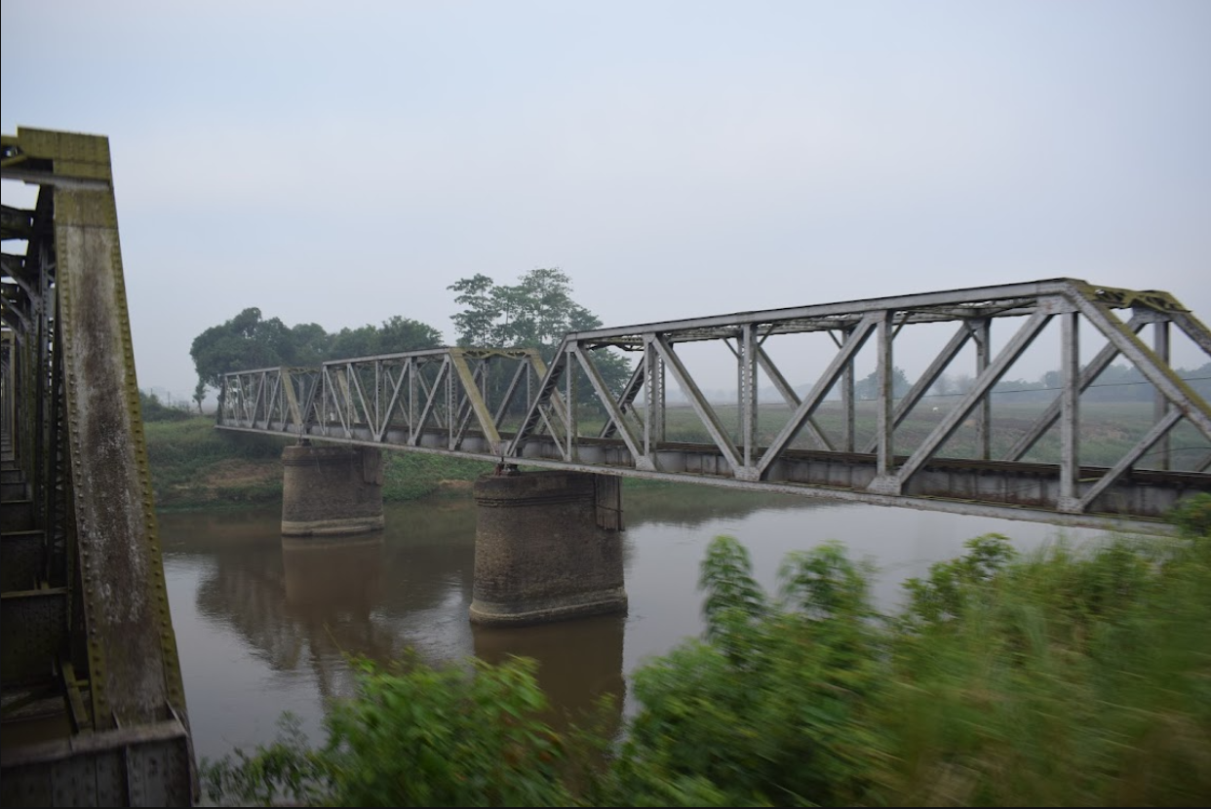
8 | Yangon-Mandalay Line | Kyauk Tan Bridge | 17.149 | 96.475 | 17.55 | 540 | YGN | 46.22 | 5 | 266 | 3 | 13.33 | 40 | 2*2.6 | Before 2000 | Caisson | Brick Pier | Steel
25 | Yangon-Mandalay Line | BR-158 | 18.147 | 96.617 | 17.6 | 432.84 | YGN | 150.55 | 5 | 222 | 2 | 27 | 54 | 12 |  |  |  | RC
20 | Yangon-Mandalay Line | 6tons Creek Railway Bridge | 17.845 | 96.697 | 19 | 467.08 | YGN | 122.85 | 5 | 211 | 3 | 23.33 | 70 | 2*2 | Before 2000 | Caisson | Brick Pier | Steel
21 | Yangon-Mandalay Line | Ye Nwe Creek Bridge | 17.857 | 96.706 | 19.3 | 465.93 | YGN | 124.25 | 5 | 198 | 2 | 54 | 108 | 12 | Before 2000 | Caisson | Brick Pier | Steel Truss | Truss
7 | Yangon-Mandalay Line | Yangon-Bago Bridge | 17.079 | 96.402 | 23.11 | 547.14 | YGN | 35.4 | 5 | 183 | 2 | 30 | 60 | 11 | Before 2000 | Caisson | Brick Pier | Steel Truss | Truss
22 | Yangon-Mandalay Line | Ngahtetgyi Railway Bridge | 17.909 | 96.719 | 23.17 | 460.63 | YGN | 130.1 | 5 | 204 | 3 | 13.33 | 40 | 2*2.6 | Before 2000 | Caisson | Brick Pier | Steel
23 | Yangon-Mandalay Line | Nyaung Lay Pin Railway Bridge | 17.961 | 96.723 | 23.51 | 454.94 | YGN | 135.43 | 5 | 211 | 3 | 13.33 | 40 | 10 |  |  |  | RC
6 | Yangon-Mandalay Line | BR32 | 17.073 | 96.395 | 24 | 548 | YGN | 34.58 | 5 | 185 | 3 | 23.61 | 70.83 | 11 | Before 2000 | Caisson | Brick Pier | Steel Truss | Truss
24 | Yangon-Mandalay Line | Ye Hla Kone Railway Bridge | 17.974 | 96.721 | 24.74 | 453.43 | YGN | 136.55 | 5 | 180 | 3 | 13.33 | 40 | 2*2.6 | Before 2000 | Caisson | Brick Pier | Steel
5 | Yangon-Mandalay Line | BR-29 | 17.047 | 96.378 | 25.36 | 550.58 | YGN | 31.13 | 5 | 208 | 5 | 13.73 | 68.65 | 2*2.6 | Before 2000 | Caisson | Brick Pier | Steel
4 | Yangon-Mandalay Line | Dar Pein Bridge | 17.038 | 96.369 | 27 | 551.36 | YGN | 29.85 | 5 | 223 | 5 | 13.73 | 68.65 | 2*2.6 | Before 2000 | Caisson | Brick Pier | Steel
64 | Myingyan Line | MyoTha Railway Bridge | 21.680 | 95.707 | 29.26 | 42.03 | NGU | 97.22 | 5 | 273 | 5 | 12 | 80 | 2 |  |  |  | Steel |  |  | 5*12=80
67 | Kalaw-Thazi Line | Kyauk Pann Owe Bridge | 20.779 | 96.369 | 33.37 | 143.05 | NGU | 158.32 | 5 | 333 | 3 | 10 | 30 | 2 |  |  |  | Steel | curve bridge |  | 3*10=30
3 | Yangon-Mandalay Line | Lay Daung Kan Bridge | 16.960 | 96.290 | 37.5 | 559.5 | YGN | 17.9 | 5 | 207 | 3 | 13.33 | 40 | 2*2.6 | Before 2000 | Caisson | Brick Pier | Steel
2 | Yangon-Mandalay Line | Pansodan Creek Railway Bridge | 16.850 | 96.208 | 46.5 | 570.98 | YGN | 6 | 5 | 207 | 8 | 28.625 | 229 | 9 | Before 2000 | Caisson | Brick Pier | Steel Truss | 11.53*3+80*2truss+11.53*3
1 | Yangon-Mandalay Line | Nat Chaung Railway Bridge | 16.809 | 96.183 | 56.74 | 575.51 | YGN | 7 | 5 | 254 | 3 | 13.6 | 40.8 | 20 | Before 2000 | Caisson | Brick Pier | Steel(W)+RC(E)

Seismic damage distribution of
Intensity area | Highway Bridge Number
 | A: Basically intact or Minor damage | B: Moderate damage | C: Severe damage | D: Collapse | Total |  | VI | VII | VIII | IX
VI | 1376 | 29 | 0 | 1 | 1406 | 公路桥 | 1406 | 1186 | 1000 | 60
VII | 1171 | 14 | 1 | 0 | 1186 | 铁路桥 | 166 | 85 | 64 | 4
VIII | 973 | 24 | 2 | 1 | 1000
IX | 54 | 4 | 1 | 1 | 60
Total | 3574 | 71 | 4 | 3 | 3652
公路桥梁

Intensity area | Railway Bridge Number
 | A: Basically intact or Minor damage | B: Moderate damage | C: Severe damage | D: Collapse | Total
VI | 162 | 4 | 0 | 0 | 166
VII | 64 | 20 | 1 | 0 | 85
VIII | 41 | 20 | 3 | 0 | 64
IX | 2 | 1 | 0 | 1 | 4
Total | 269 | 45 | 4 | 1 | 319

桥梁震害
铁路桥梁

 | 6度 | 7度 | 8度 | 9度
基本完好或轻微破坏 | 1376 | 1171 | 973 | 54
中等破坏 | 29 | 14 | 24 | 4
严重破坏 | 0 | 1 | 2 | 1
垮塌 | 1 | 0 | 1 | 1

 | 6度 | 7度 | 8度 | 9度
基本完好或轻微破坏 | 162 | 64 | 41 | 2
中等破坏 | 4 | 20 | 20 | 1
严重破坏 | 0 | 1 | 3 | 0
垮塌 | 0 | 0 | 0 | 1

 | 公路桥 | 铁路桥 | 桥梁
A | 3574 | 269 | 3843
B | 71 | 45 | 116
C | 4 | 4 | 8
D | 3 | 1 | 4

 | 桥梁
A | 3843
B | 116
C | 8
D | 4

Seismic damage statistics by br
Bridge Type | Highway Bridge Number
 | A: Intact or slight damage | B: Moderate damage | C: Severe damage | D: Destruction or failure | Total
Steel Truss/Arch | 1 | 1 | 0 | 0 | 2
Steel + RC slab | 23 | 21 | 2 | 0 | 46
PC/PC+RC | 0 | 3 | 0 | 2 | 5
RC | 3550 | 46 | 2 | 1 | 3599
Total | 3574 | 71 | 4 | 3 | 3652

公路桥梁
Bridge Type | Railway Bridge Number
 | A: Intact or slight damage | B: Moderate damage | C: Severe damage | D: Destruction or failure | Total
Steel Deck PL | 3 | 16 | 1 | 0 | 20
Steel Through PL | 2 | 1 | 1 | 0 | 4
Steel Truss | 0 | 10 | 2 | 1 | 13
RC | 249 | 2 | 0 | 0 | 251
PC | 15 | 16 | 0 | 0 | 31
Total | 269 | 45 | 4 | 1 | 319

铁路桥梁
 | Steel Truss/Arch | Steel + RC slab | PC/PC+RC | RC
A: Intact or slight damage | 1 | 23 | 0 | 3550
B: Moderate damage | 1 | 21 | 3 | 46
C: Severe damage | 0 | 2 | 0 | 2
D: Destruction or failure | 0 | 0 | 2 | 1

 | Steel Deck PL | Steel Through PL | Steel Truss | RC | PC
A: Intact or slight damage | 3 | 2 | 0 | 249 | 15
B: Moderate damage | 16 | 1 | 10 | 2 | 16
C: Severe damage | 1 | 1 | 2 | 0 | 0
D: Destruction or failure | 0 | 0 | 1 | 0 | 0

